FORM
HOURLY BOTTLENECK MANAGEMENT
Date: |  |  |  | Line |  |  | Machine Name: |  | Shift Schedule

Time | UP Time | Plan Output | Actual Output |  | Reject Qty | Product Description | Ideal Rate (per min) | Activities
6-7
7-8
8-9
9-10
10-11
11-12
12-1
1-2
2-3
3-4
4-5
5-6

 |  | TOTAL GOOD OUTPUT: |  |  |  |  | PREPARED BY:

 |  | TOTAL REJECT: |  |  |  |  | REVIEWED BY:

Legend:
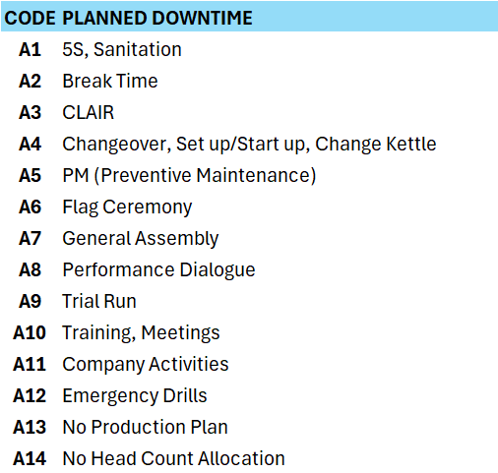
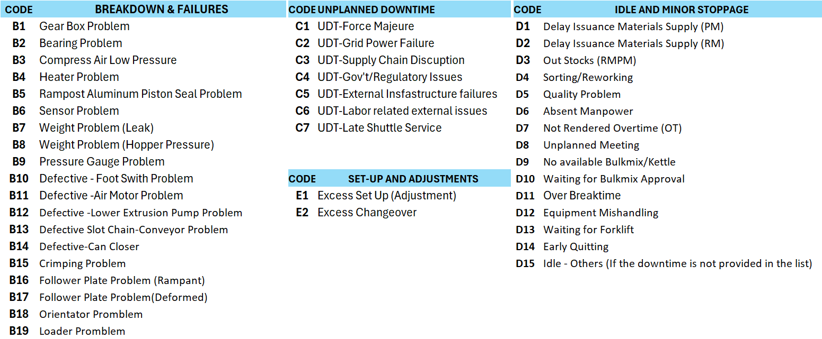

NOTE/ REMARKS:

